Dummydata
Category | Year | Value
Beverages | 2024 | $18,852
Beverages | 2023 | $17,913
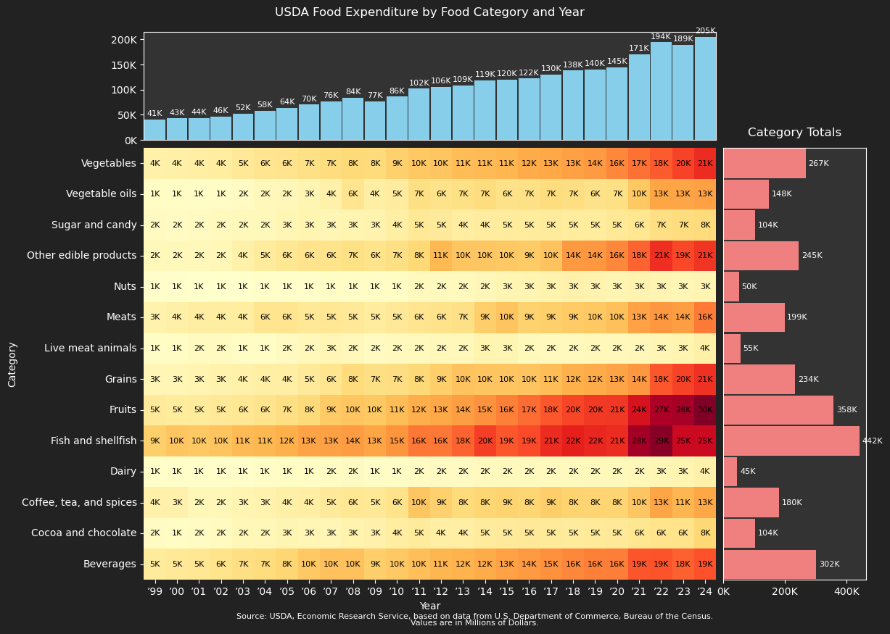
Beverages | 2022 | $18,690
Beverages | 2021 | $18,549
Beverages | 2020 | $16,124
Beverages | 2019 | $16,033
Beverages | 2018 | $15,548
Beverages | 2017 | $14,913
Beverages | 2016 | $13,982
Beverages | 2015 | $13,238
Beverages | 2014 | $12,392
Beverages | 2013 | $11,629
Beverages | 2012 | $11,241
Beverages | 2011 | $10,482
Beverages | 2010 | $9,587
Beverages | 2009 | $8,990
Beverages | 2008 | $10,178
Beverages | 2007 | $10,270
Beverages | 2006 | $9,510
Beverages | 2005 | $8,206
Beverages | 2004 | $7,353
Beverages | 2003 | $6,943
Beverages | 2002 | $6,129
Beverages | 2001 | $5,394
Beverages | 2000 | $5,105
Beverages | 1999 | $4,718
Cocoa and chocolate | 2024 | $8,074
Cocoa and chocolate | 2023 | $6,152
Cocoa and chocolate | 2022 | $6,049
Cocoa and chocolate | 2021 | $5,634
Cocoa and chocolate | 2020 | $5,052
Cocoa and chocolate | 2019 | $4,977
Cocoa and chocolate | 2018 | $4,712
Cocoa and chocolate | 2017 | $5,012
Cocoa and chocolate | 2016 | $5,081
Cocoa and chocolate | 2015 | $4,860
Cocoa and chocolate | 2014 | $4,728
Cocoa and chocolate | 2013 | $4,159
Cocoa and chocolate | 2012 | $4,096
Cocoa and chocolate | 2011 | $4,681
Cocoa and chocolate | 2010 | $4,295
Cocoa and chocolate | 2009 | $3,476
Cocoa and chocolate | 2008 | $3,299
Cocoa and chocolate | 2007 | $2,662
Cocoa and chocolate | 2006 | $2,659
Cocoa and chocolate | 2005 | $2,751
Cocoa and chocolate | 2004 | $2,484
Cocoa and chocolate | 2003 | $2,439
Cocoa and chocolate | 2002 | $1,761
Cocoa and chocolate | 2001 | $1,536
Cocoa and chocolate | 2000 | $1,405
Cocoa and chocolate | 1999 | $1,523
Coffee, tea, and spices | 2024 | $12,682
Coffee, tea, and spices | 2023 | $11,276
Coffee, tea, and spices | 2022 | $12,980
Coffee, tea, and spices | 2021 | $9,819
Coffee, tea, and spices | 2020 | $8,346
Coffee, tea, and spices | 2019 | $8,427
Coffee, tea, and spices | 2018 | $8,455
Coffee, tea, and spices | 2017 | $9,067
Coffee, tea, and spices | 2016 | $8,311
Coffee, tea, and spices | 2015 | $8,536
Coffee, tea, and spices | 2014 | $8,299
Coffee, tea, and spices | 2013 | $7,633
Coffee, tea, and spices | 2012 | $8,726
Coffee, tea, and spices | 2011 | $9,716
Coffee, tea, and spices | 2010 | $6,265
Coffee, tea, and spices | 2009 | $5,160
Coffee, tea, and spices | 2008 | $5,581
Coffee, tea, and spices | 2007 | $4,791
Coffee, tea, and spices | 2006 | $4,195
Coffee, tea, and spices | 2005 | $3,771
Coffee, tea, and spices | 2004 | $3,144
Coffee, tea, and spices | 2003 | $2,872
Coffee, tea, and spices | 2002 | $2,455
Coffee, tea, and spices | 2001 | $2,401
Coffee, tea, and spices | 2000 | $3,442
Coffee, tea, and spices | 1999 | $3,604
Dairy | 2024 | $3,543
Dairy | 2023 | $3,041
Dairy | 2022 | $2,706
Dairy | 2021 | $2,386
Dairy | 2020 | $2,066
Dairy | 2019 | $2,128
Dairy | 2018 | $2,011
Dairy | 2017 | $1,827
Dairy | 2016 | $1,874
Dairy | 2015 | $1,894
Dairy | 2014 | $1,844
Dairy | 2013 | $1,649
Dairy | 2012 | $1,604
Dairy | 2011 | $1,502
Dairy | 2010 | $1,347
Dairy | 2009 | $1,353
Dairy | 2008 | $1,596
Dairy | 2007 | $1,501
Dairy | 2006 | $1,406
Dairy | 2005 | $1,388
Dairy | 2004 | $1,292
Dairy | 2003 | $1,110
Dairy | 2002 | $1,009
Dairy | 2001 | $996
Dairy | 2000 | $922
Dairy | 1999 | $930
Fish and shellfish | 2024 | $24,812
Fish and shellfish | 2023 | $24,849
Fish and shellfish | 2022 | $29,476
Fish and shellfish | 2021 | $27,764
Fish and shellfish | 2020 | $21,285
Fish and shellfish | 2019 | $21,799
Fish and shellfish | 2018 | $22,274
Fish and shellfish | 2017 | $21,326
Fish and shellfish | 2016 | $19,258
Fish and shellfish | 2015 | $18,514
Fish and shellfish | 2014 | $20,054
Fish and shellfish | 2013 | $17,784
Fish and shellfish | 2012 | $16,468
Fish and shellfish | 2011 | $16,459
Fish and shellfish | 2010 | $14,517
Fish and shellfish | 2009 | $12,934
Fish and shellfish | 2008 | $13,912
Fish and shellfish | 2007 | $13,435
Fish and shellfish | 2006 | $13,112
Fish and shellfish | 2005 | $11,840
Fish and shellfish | 2004 | $11,106
Fish and shellfish | 2003 | $10,860
Fish and shellfish | 2002 | $9,963
Fish and shellfish | 2001 | $9,663
Fish and shellfish | 2000 | $9,880
Fish and shellfish | 1999 | $8,860
Fruits | 2024 | $29,953
Fruits | 2023 | $27,633
Fruits | 2022 | $27,105
Fruits | 2021 | $23,702
Fruits | 2020 | $20,521
Fruits | 2019 | $20,355
Fruits | 2018 | $19,623
Fruits | 2017 | $18,417
Fruits | 2016 | $17,192
Fruits | 2015 | $15,998
Fruits | 2014 | $14,835
Fruits | 2013 | $13,638
Fruits | 2012 | $12,571
Fruits | 2011 | $12,006
Fruits | 2010 | $10,685
Fruits | 2009 | $9,669
Fruits | 2008 | $9,919
Fruits | 2007 | $9,258
Fruits | 2006 | $7,738
Fruits | 2005 | $6,935
Fruits | 2004 | $5,964
Fruits | 2003 | $5,562
Fruits | 2002 | $5,075
Fruits | 2001 | $4,678
Fruits | 2000 | $4,647
Fruits | 1999 | $4,794
Grains | 2024 | $21,013
Grains | 2023 | $19,821
Grains | 2022 | $18,463
Grains | 2021 | $14,321
Grains | 2020 | $13,111
Grains | 2019 | $12,296
Grains | 2018 | $11,852
Grains | 2017 | $10,645
Grains | 2016 | $9,979
Grains | 2015 | $9,836
Grains | 2014 | $9,824
Grains | 2013 | $10,067
Grains | 2012 | $8,921
Grains | 2011 | $7,922
Grains | 2010 | $7,016
Grains | 2009 | $6,748
Grains | 2008 | $7,613
Grains | 2007 | $5,858
Grains | 2006 | $4,861
Grains | 2005 | $4,196
Grains | 2004 | $3,963
Grains | 2003 | $3,564
Grains | 2002 | $3,306
Grains | 2001 | $2,964
Grains | 2000 | $2,712
Grains | 1999 | $2,635
Live meat animals | 2024 | $3,675
Live meat animals | 2023 | $3,068
Live meat animals | 2022 | $2,509
Live meat animals | 2021 | $2,298
Live meat animals | 2020 | $2,158
Live meat animals | 2019 | $2,253
Live meat animals | 2018 | $2,029
Live meat animals | 2017 | $2,016
Live meat animals | 2016 | $2,103
Live meat animals | 2015 | $2,773
Live meat animals | 2014 | $3,009
Live meat animals | 2013 | $2,190
Live meat animals | 2012 | $2,192
Live meat animals | 2011 | $1,886
Live meat animals | 2010 | $2,007
Live meat animals | 2009 | $1,656
Live meat animals | 2008 | $2,266
Live meat animals | 2007 | $2,588
Live meat animals | 2006 | $2,172
Live meat animals | 2005 | $1,672
Live meat animals | 2004 | $1,134
Live meat animals | 2003 | $1,277
Live meat animals | 2002 | $1,724
Live meat animals | 2001 | $1,771
Live meat animals | 2000 | $1,419
Live meat animals | 1999 | $1,190
Meats | 2024 | $16,430
Meats | 2023 | $13,688
Meats | 2022 | $14,179
Meats | 2021 | $13,191
Meats | 2020 | $10,385
Meats | 2019 | $9,669
Meats | 2018 | $9,251
Meats | 2017 | $8,875
Meats | 2016 | $8,587
Meats | 2015 | $9,992
Meats | 2014 | $8,940
Meats | 2013 | $6,530
Meats | 2012 | $6,245
Meats | 2011 | $5,755
Meats | 2010 | $5,088
Meats | 2009 | $4,612
Meats | 2008 | $5,060
Meats | 2007 | $5,367
Meats | 2006 | $5,244
Meats | 2005 | $5,752
Meats | 2004 | $5,719
Meats | 2003 | $4,427
Meats | 2002 | $4,284
Meats | 2001 | $4,256
Meats | 2000 | $3,828
Meats | 1999 | $3,261
Nuts | 2024 | $2,882
Nuts | 2023 | $2,520
Nuts | 2022 | $2,946
Nuts | 2021 | $3,150
Nuts | 2020 | $2,769
Nuts | 2019 | $3,177
Nuts | 2018 | $3,496
Nuts | 2017 | $3,300
Nuts | 2016 | $2,870
Nuts | 2015 | $2,767
Nuts | 2014 | $2,361
Nuts | 2013 | $2,000
Nuts | 2012 | $2,000
Nuts | 2011 | $1,863
Nuts | 2010 | $1,462
Nuts | 2009 | $1,278
Nuts | 2008 | $1,351
Nuts | 2007 | $1,181
Nuts | 2006 | $1,099
Nuts | 2005 | $1,122
Nuts | 2004 | $1,078
Nuts | 2003 | $776
Nuts | 2002 | $701
Nuts | 2001 | $670
Nuts | 2000 | $809
Nuts | 1999 | $794
Other edible products | 2024 | $20,730
Other edible products | 2023 | $19,392
Other edible products | 2022 | $21,189
Other edible products | 2021 | $17,715
Other edible products | 2020 | $15,544
Other edible products | 2019 | $14,396
Other edible products | 2018 | $14,078
Other edible products | 2017 | $10,125
Other edible products | 2016 | $9,330
Other edible products | 2015 | $9,591
Other edible products | 2014 | $9,716
Other edible products | 2013 | $9,831
Other edible products | 2012 | $10,978
Other edible products | 2011 | $8,082
Other edible products | 2010 | $6,741
Other edible products | 2009 | $6,084
Other edible products | 2008 | $6,680
Other edible products | 2007 | $6,067
Other edible products | 2006 | $5,955
Other edible products | 2005 | $5,530
Other edible products | 2004 | $4,778
Other edible products | 2003 | $3,634
Other edible products | 2002 | $2,480
Other edible products | 2001 | $2,249
Other edible products | 2000 | $2,097
Other edible products | 1999 | $2,117
Sugar and candy | 2024 | $7,564
Sugar and candy | 2023 | $7,194
Sugar and candy | 2022 | $6,880
Sugar and candy | 2021 | $5,700
Sugar and candy | 2020 | $5,172
Sugar and candy | 2019 | $4,665
Sugar and candy | 2018 | $4,660
Sugar and candy | 2017 | $4,676
Sugar and candy | 2016 | $4,631
Sugar and candy | 2015 | $4,621
Sugar and candy | 2014 | $4,492
Sugar and candy | 2013 | $4,295
Sugar and candy | 2012 | $4,803
Sugar and candy | 2011 | $5,162
Sugar and candy | 2010 | $4,061
Sugar and candy | 2009 | $3,091
Sugar and candy | 2008 | $2,991
Sugar and candy | 2007 | $2,607
Sugar and candy | 2006 | $3,056
Sugar and candy | 2005 | $2,501
Sugar and candy | 2004 | $2,115
Sugar and candy | 2003 | $2,138
Sugar and candy | 2002 | $1,861
Sugar and candy | 2001 | $1,607
Sugar and candy | 2000 | $1,561
Sugar and candy | 1999 | $1,594
Vegetable oils | 2024 | $13,352
Vegetable oils | 2023 | $12,829
Vegetable oils | 2022 | $13,004
Vegetable oils | 2021 | $9,644
Vegetable oils | 2020 | $6,689
Vegetable oils | 2019 | $6,311
Vegetable oils | 2018 | $7,001
Vegetable oils | 2017 | $7,223
Vegetable oils | 2016 | $6,530
Vegetable oils | 2015 | $6,312
Vegetable oils | 2014 | $7,345
Vegetable oils | 2013 | $6,674
Vegetable oils | 2012 | $6,244
Vegetable oils | 2011 | $6,803
Vegetable oils | 2010 | $4,517
Vegetable oils | 2009 | $4,049
Vegetable oils | 2008 | $5,708
Vegetable oils | 2007 | $3,530
Vegetable oils | 2006 | $2,828
Vegetable oils | 2005 | $2,378
Vegetable oils | 2004 | $2,251
Vegetable oils | 2003 | $1,515
Vegetable oils | 2002 | $1,308
Vegetable oils | 2001 | $1,184
Vegetable oils | 2000 | $1,371
Vegetable oils | 1999 | $1,364
Vegetables | 2024 | $21,353
Vegetables | 2023 | $19,788
Vegetables | 2022 | $18,259
Vegetables | 2021 | $16,799
Vegetables | 2020 | $15,562
Vegetables | 2019 | $13,950
Vegetables | 2018 | $13,398
Vegetables | 2017 | $12,652
Vegetables | 2016 | $12,393
Vegetables | 2015 | $11,211
Vegetables | 2014 | $10,865
Vegetables | 2013 | $10,673
Vegetables | 2012 | $9,884
Vegetables | 2011 | $9,632
Vegetables | 2010 | $8,683
Vegetables | 2009 | $7,503
Vegetables | 2008 | $7,787
Vegetables | 2007 | $7,246
Vegetables | 2006 | $6,611
Vegetables | 2005 | $6,036
Vegetables | 2004 | $5,725
Vegetables | 2003 | $5,078
Vegetables | 2002 | $4,386
Vegetables | 2001 | $4,152
Vegetables | 2000 | $3,767
Vegetables | 1999 | $3,628

